Welcome
IMPORTANT! READ ALL INSTRUCTIONS BEFORE YOU CONTINUE! Macros might not be able to run or be utilized as required if this document is located on or opened from a network drive such as SharePoint or Share Drive, nor if this was opened directly from your email as an attachment. It is strongly recommended to save this document to a location on your local machine, such as your Desktop, or Documents folder, then close and reopen it from that location. Once you have opened a local copy of this document, you will need to enable Macros by following the steps below. Method 1: Towards the top left corner, you should see the yellow banner as shown in Figure 1 (to the right). Click “Enable Content” to continue. If you attempted Method 1, but a red banner as shown in Figure 2 (to the right) replaces the yellow banner, you will need to read and follow the steps in Method 2 before you can enable and utilize this document. Method 2: Navigate to where you saved this document on your computer and right click on it, then select “Properties”. See Figure 3 (to the right). A window should appear. At the bottom of the properties menu, it might suggest that the file could be harmful, and there should be a checkbox to “Unblock” the file. Go ahead and check that box, then click “Apply”, and then click “OK”. See Figure 4 (to the right). After you “Unblock” the file, you should close then re-open this document and attempt Method 1 again. |  |  | Figure 1

 |  |  | Figure 2

 |  |  | Figure 3 | Figure 4
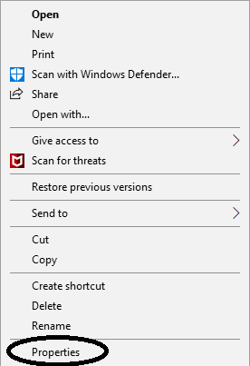
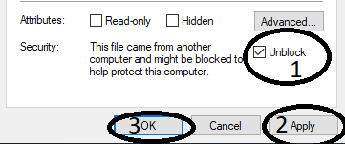

 | To check for updates, report an issue, or make a request/suggestion, contact me at

 | Website: | https://github.com/JeffreysDA
 | Contact: | jeffreysda@gmail.com

